Unit 1
Question | Answer | Sprint
What is the normal distribution | Frequentist statistics is a static way of looking at data whereas the bayesian theory allows prior beliefes and a compounding continuation of the data Thus Bayesian statistics starts from what has been observed and assesses possible future outcomes. Frequentist statistics starts with an abstract experiment of what would be observed if one assumes something, and only then compares the outcomes of the abstract experiment with what was actually observed. | 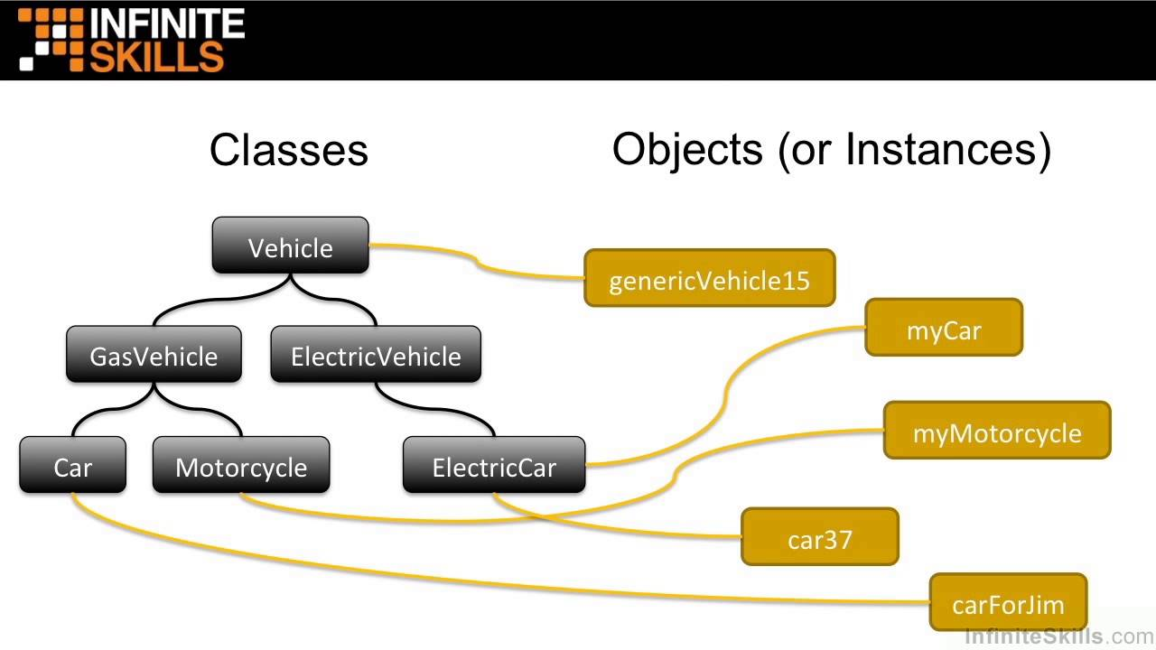 2 | 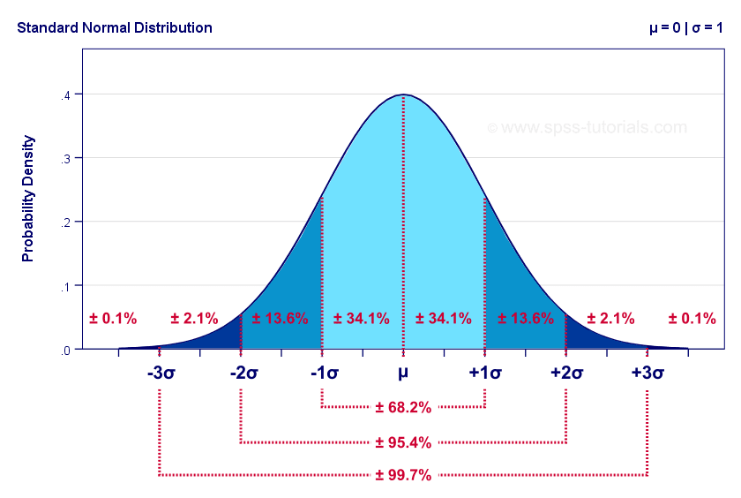
What is a z-score | A z-score describes the position of a raw score in terms of its distance from the mean, when measured in standard deviation units. The z-score is positive if the value lies above the mean, and negative if it lies below the mean. | 2 | 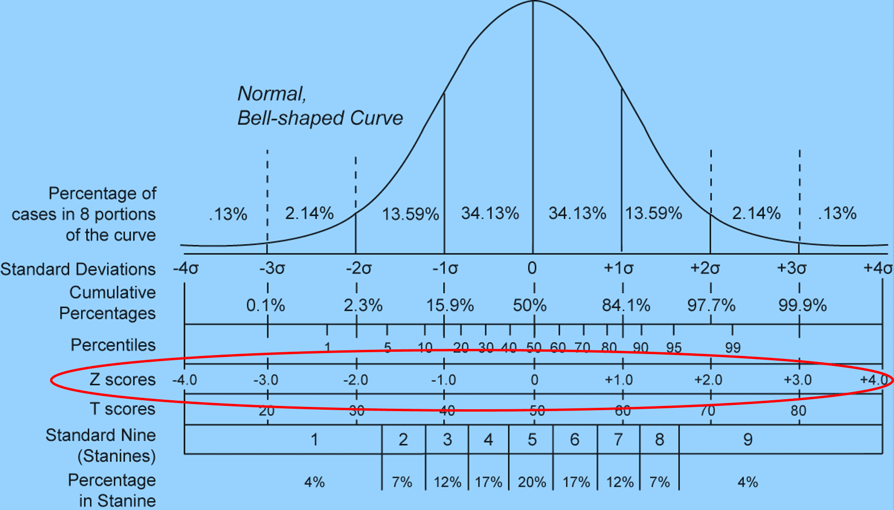
What are t-values and t-tests | is a type of inferential statistic used to determine if there is a significant difference between the means of two groups, which may be related in certain features. When you perform a t-test, you're usually trying to find evidence of a significant difference between population means (2-sample t) or between the population mean and a hypothesized value (1-sample t). The t-value measures the size of the difference relative to the variation in your sample data. | 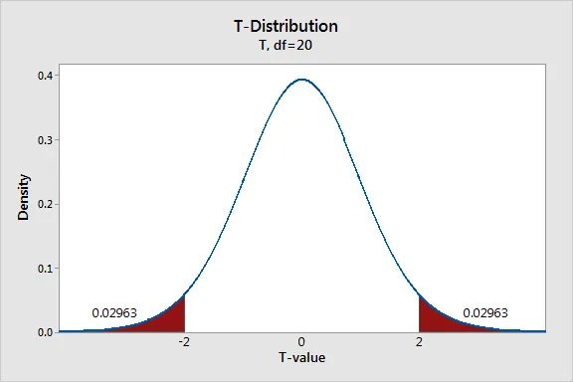 2
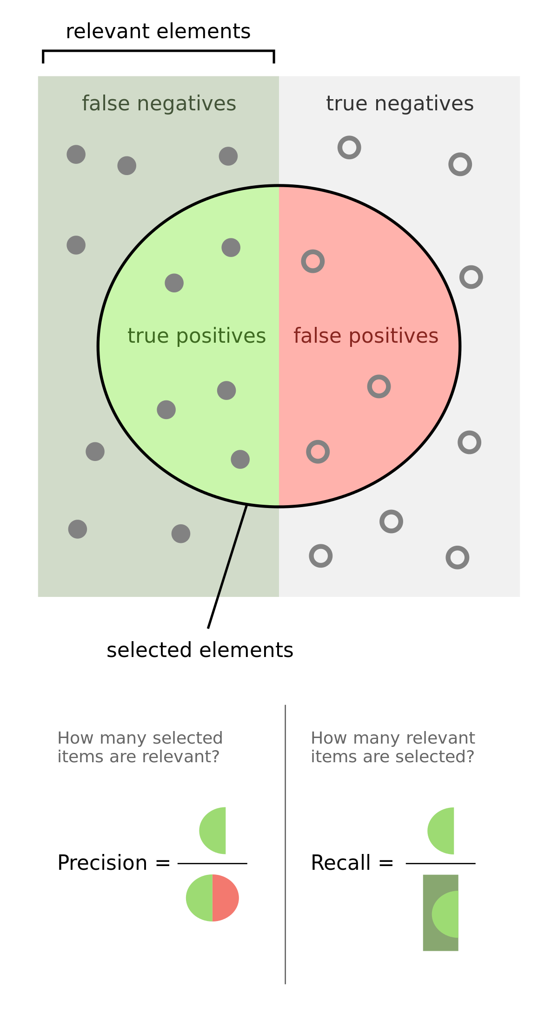
Why Functions? | It may not be clear why it is worth the trouble to divide a program into functions. There are several reasons: - Creating a new function gives you an opportunity to name a group of statements, which makes your program easier to read and debug. - Functions can make a program smaller by eliminating repetitive code. Later, if you make a change, you only have to make it in one place. - Dividing a long program into functions allows you to debug the parts one at a time and then assemble them into a working whole. - Well-designed functions are often useful for many programs. Once you write and debug one, you can reuse it. | 1
Why reshape data? | Some libraries prefer data in different formats | 1
Precision and Recall (Remember Formula) | Precision - What proportion of positive identifications was actually correct? RECALL -- What proportion of actual positives was identified correctly?
regularization techniques for NN | An effective regularizer is said to be the one that makes a profitable trade by reducing variance significantly while not overly increasing the bias. Bagging - Bagging or bootstrap aggregating is a technique for reducing generalization error by combining several models. The idea is to train several different models separately, then have all of the models vote on the output for test examples.
 | Dropout - Dropout is a computationally inexpensive but powerful regularization method, dropout can be thought of as a method of making bagging practical for ensembles of very many large neural networks Early Stopping- Telling the model to stop after succesive results or no difference showing or meeting the requirements
what is a p value? | The p value is the evidence against a null hypothesis. ... For example, a p value of 0.0254 is 2.54%. This means there is a 2.54% chance your results could be random. Can be found using t test. The smaller the p-value, the stronger the evidence that you should reject the null hypothesis. | 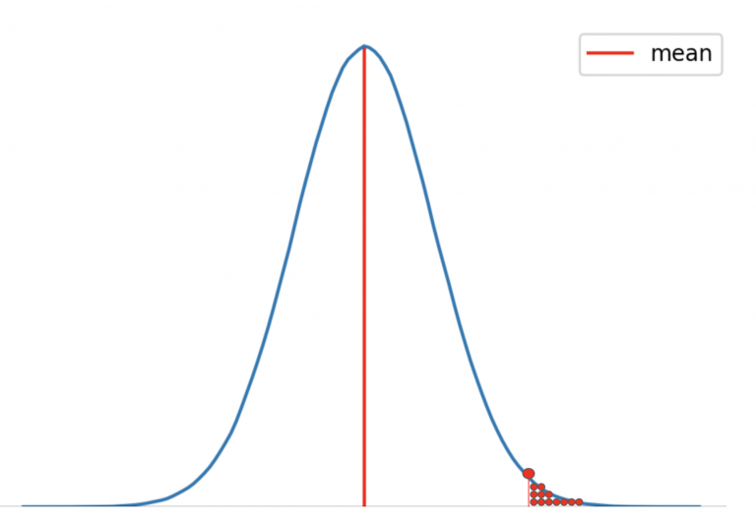
Null Hypothesis and Alternative Hypothesis | the null hypothesis is the statement we are trying to reject. Therefore, the null hypothesis is the present state of affairs, while the alternative is our personal opinion.
confusion matrixs | A Confusion matrix is an N x N matrix used for evaluating the performance of a classification model, where N is the number of target classes. The matrix compares the actual target values with those predicted by the machine learning model. This gives us a holistic view of how well our classification model is performing and what kinds of errors it is making. |  | 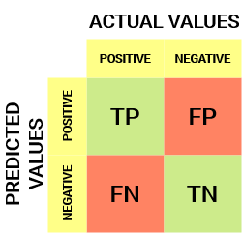
confidence interval | A confidence interval, in statistics, refers to the probability that a population parameter will fall between two set values for a certain proportion of times. Confidence intervals measure the degree of uncertainty or certainty in a sampling method. | 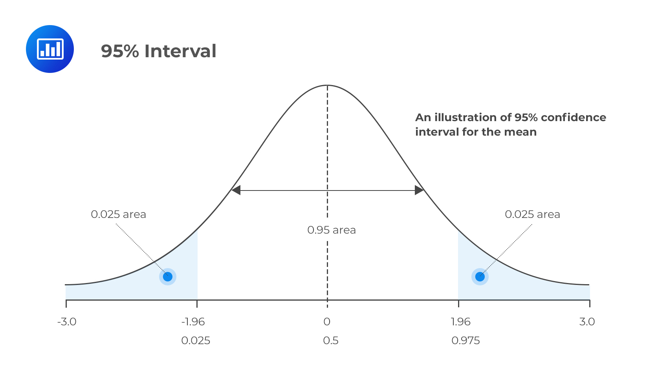
What is a Chi Squared Test? What is it used for? | compares two variables in a contingency table to see if they are related. In a more general sense, it tests to see whether distributions of categorical variables differ from each another. Only used for catagorical data
What is a contingency table? | (also called crosstabs or two-way tables) are used in statistics to summarize the relationship between several categorical variables. A contingency table is a special type of frequency distribution table, where two variables are shown simultaneously.
What is the difference between Bayesian and Frequentist Statistics? | Frequentist statistics is a static way of looking at data whereas the bayesian theory allows prior beliefes and a compounding continuation of the data Thus Bayesian statistics starts from what has been observed and assesses possible future outcomes. Frequentist statistics starts with an abstract experiment of what would be observed if one assumes something, and only then compares the outcomes of the abstract experiment with what was actually observed. | 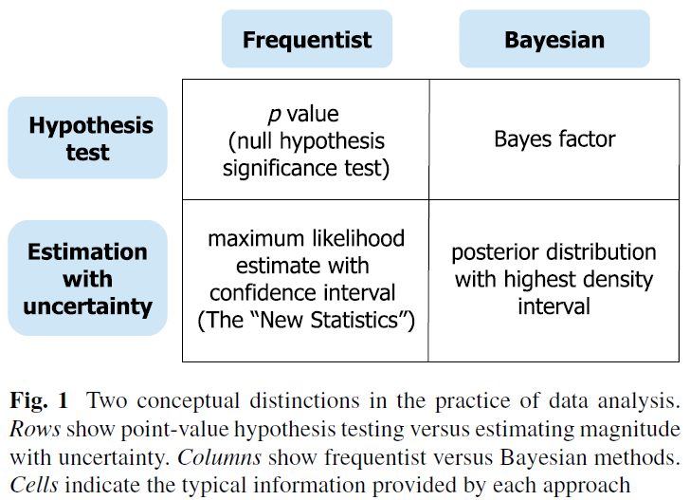 1
vector | A point in space that is defined by a list of numbers | 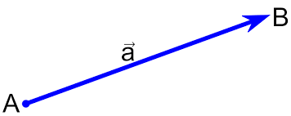
Scalar | this function acts on the space by "scaling" a vector stretching or contracting it and possibly reflecting it. Thus the role of the scalars is to scale the vectors, and the word "scalar" hints us toward this way of thinking about it. | 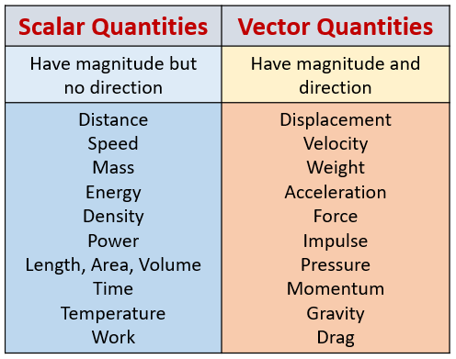
Matrix | a list of list, dataframes are matrices
Identity Matrix | A diagonal matrix with ones on the main diagonal and zeroes everywhere else. | 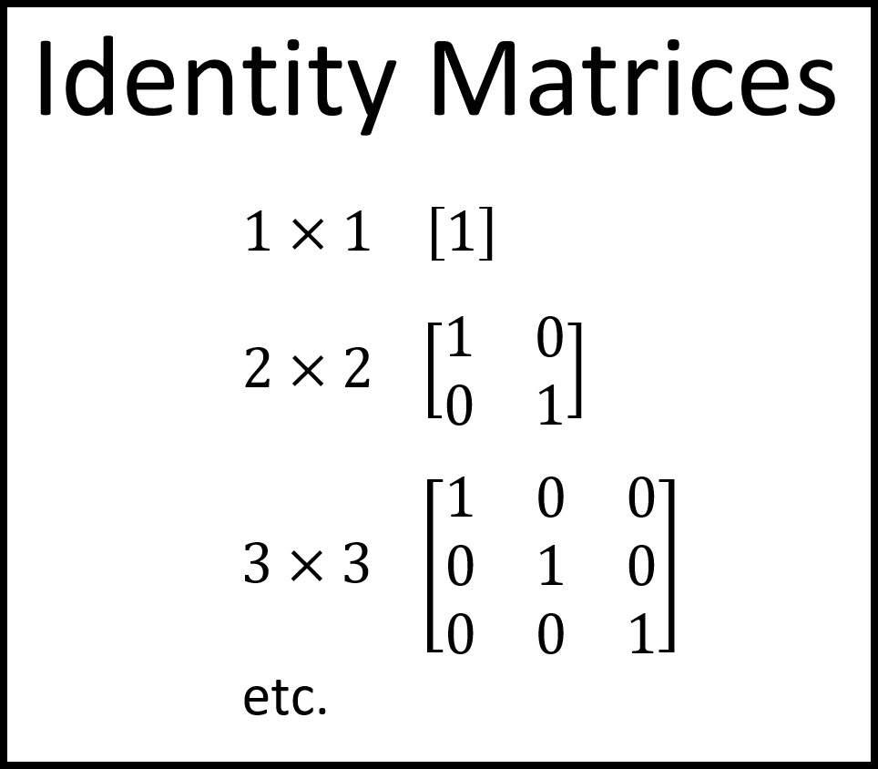
What causes a determinant of 0? | having columns that are multiples of each other
What is Gaussian Elimination? What are the three row operations you can perform? | getting your matrices into row echolan form where there is a 1 in the beginning of each row for a column. 1) You can swap any two row. 2) You can multiply entire rows by scalars. 3) You can add/subtract rows from each other
Correlation Coefficient | the correlation coefficient r measures the strength and direction of a linear relationship between two variables | 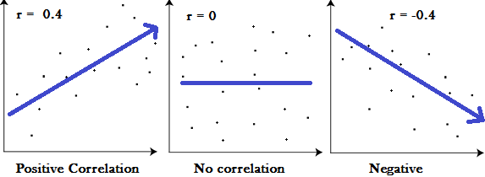
Eigenvalue | The scaling factor of these eigenvectors is then called the eigenvalue
Eigenvector | eigenvectors are vectors which are fixed in direction under a given linear transformation
What is the Curse of Dimensionality? | the issue of data sparsity and “closeness” of data
If you were calculating PCA by hand, what are the steps you would need to take? | Separate your data into X and Y, variables Center each column at 0 by subtracting its mean. Divide each column by its standard deviation. Calculate the Variance-Covariance matrix of Z. Calculate the Eigenvectors and Eigenvalues of the Variance-Covariance Matrix. Sort the Eigenvalue and Eigenvector Pairs. Use a matrix transformation to project the datapoints onto our eigenvector subspaces.
Overfitting | a statistical model begins to describe the random error in the data rather than the relationships between variable | 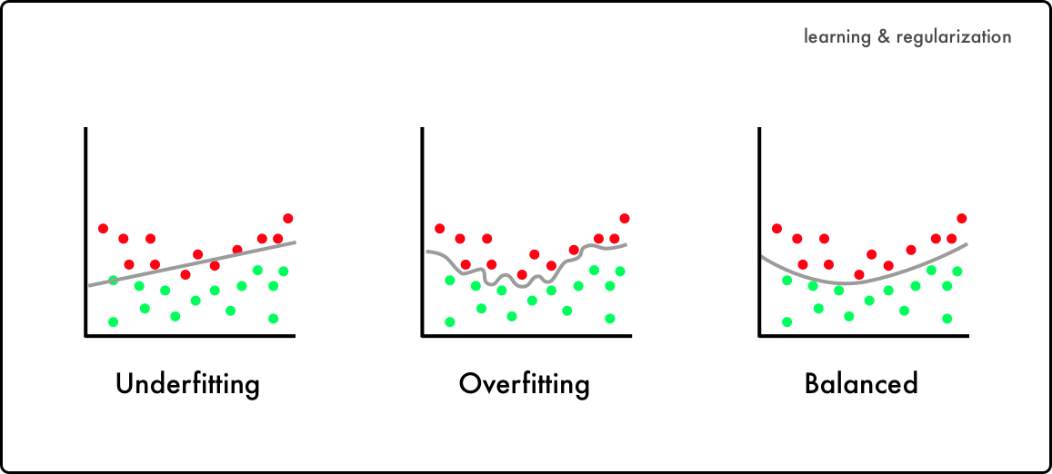
Underfitting | when it cannot capture the underlying trend of the data
How does train test split address underfitting/overfitting? | it makes sure you are not overfitting your training data and not leaving your validation data with too little data to actually validate (underfitting)
What is the 5 step process for using the Scikit-learn's estimator API | Wrangle data EDA (exploratory data analysis) Split Define Metric Check
Mean Absolute Error (MAE) | measures the average magnitude of the errors in a set of predictions, without considering their direction.
Mean Squared Error (MSE) | measures the average of the squares of the errors — that is, the average squared difference between the estimated values and what is estimated
Root Mean Squared Error (RMSE) | is a standard way to measure the error of a model in predicting quantitative data.
Coefficient of Determination | is the measure of the variance in response variable ‘y’ that can be predicted using predictor variable ‘x’.
Residual Error | differences between observed and predicted values of data
Bias | bias is a deviation from expectation in the data
Variance | measures how far a set of data is spread out
Validation Curve | a learning curve shows how error changes as the training set size increases.
Logistic Regression | is a supervised learning classification algorithm used to predict the probability of a target variable | 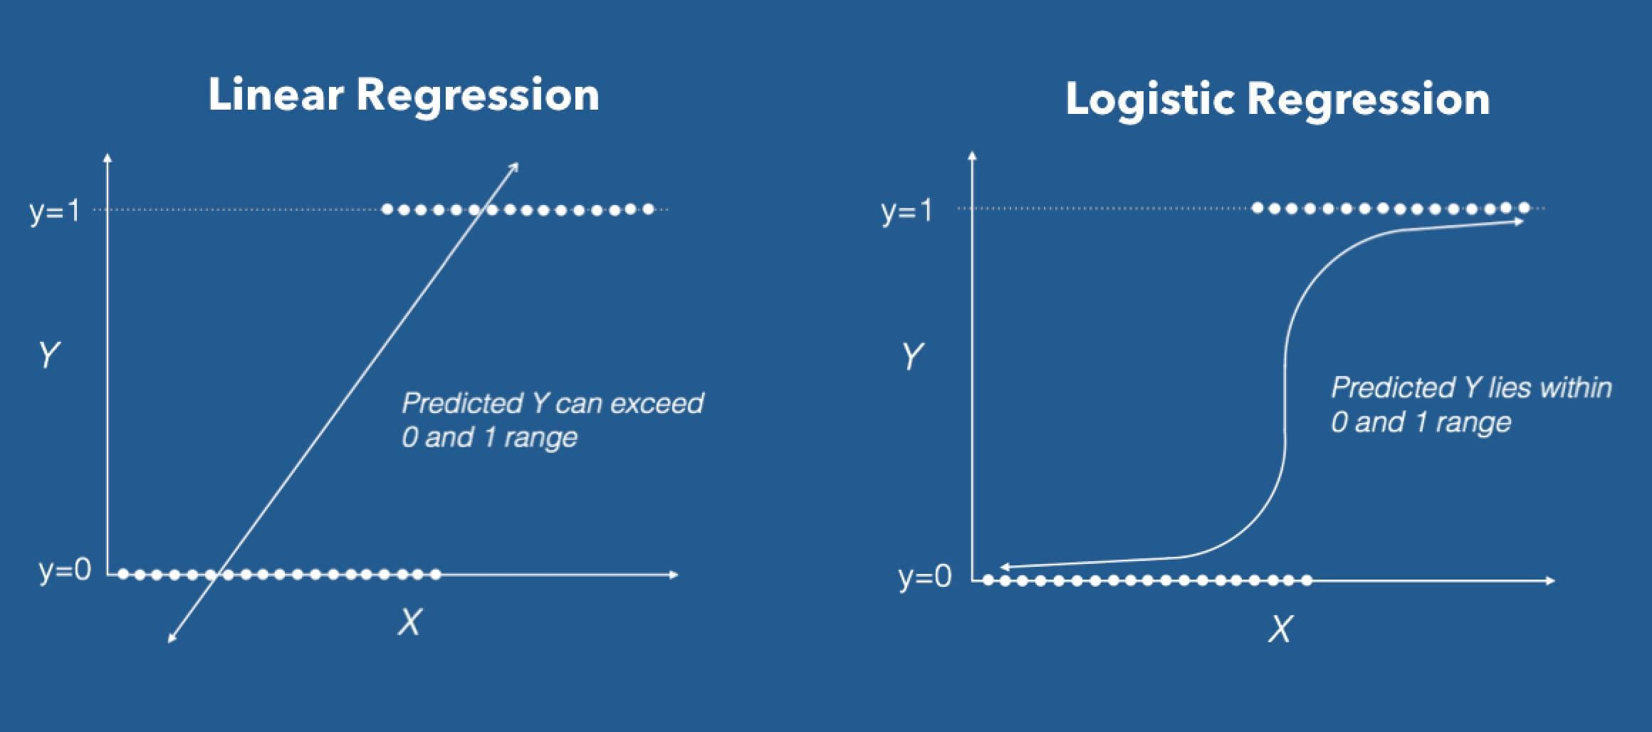
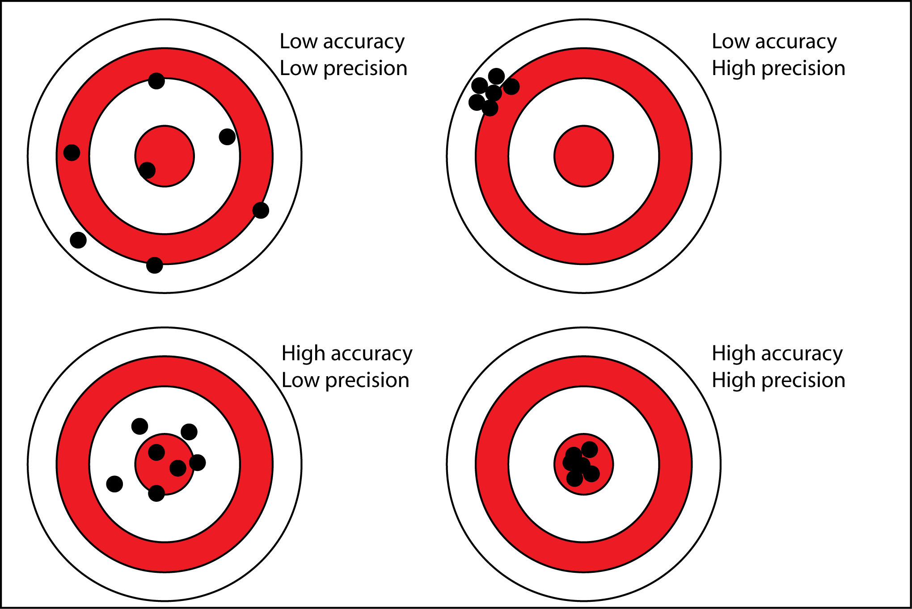
Linear Regression | is a supervised machine learning algorithm where the predicted output is continuous and has a constant slope
Accuracy | is closeness of the measurements to a specific value
Precision | is the closeness of the measurements to each other
Recall | is calculated by dividing the predicted positives over the total positives, to see how many values did not get predicted correctly
What is the difference between linear regression and logistic regression? | Linear regression is used to predict the continuous dependent variable using a given set of independent variables. Logistic Regression is used to predict the categorical dependent variable using a given set of independent variables
Difference Between Classification and Regression in Machine Learning | Fundamentally, classification is about predicting a label and regression is about predicting a quantity.
There are 3 types of feature importances | 1. (Default) Feature Importances Fastest, good for first estimates, but be aware 2. Drop-Column Importance The best in theory, but too slow in practice 3. Permutation Importance Permutation Importance is a good compromise between Feature Importance based on impurity reduction (which is the fastest) and Drop Column Importance (which is the “best.”)
Understand the difference between boosting & bagging | Recall that bagging involves creating multiple copies of the original training data set using the bootstrap, fitting a separate decision tree to each copy, and then combining all of the trees in order to create a single predictive model. Boosting works in a similar way, except that the trees are grown sequentially: each tree is grown using information from previously grown trees.
Docker | is a set of platform as a service products that use OS-level virtualization to deliver software in packages called containers
MongoDB | is the leading document database. It is built on a distributed, scale-out architecture and has become a comprehensive cloud-based platform for managing and delivering data to applications. MongoDB handles transactional, operational, and analytical workloads at scale. If your concerns are time to market, developer productivity, supporting DevOps and agile methodologies, and building stuff that scales without operational gymnastics, MongoDB is the way to go.
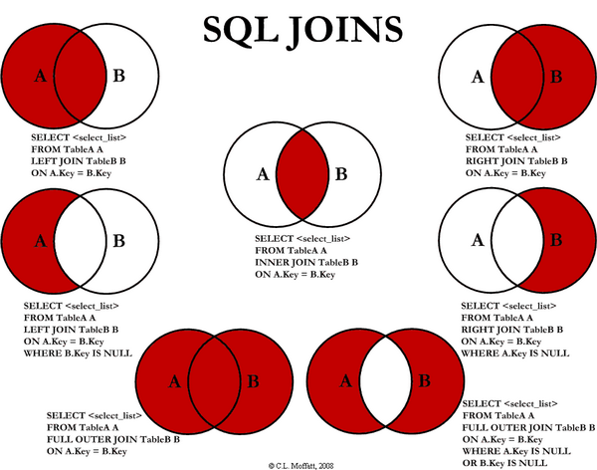
Postgresql | open source, enterprise-grade SQL database that has been expanding its capabilities for 30 years. Everything you would ever want from a relational database is present in PostgreSQL, which relies on a scale-up architecture. If your concerns are compatibility, serving up thousands of queries from hundreds of tables, taking advantage of existing SQL skills, and pushing SQL to the limit, PostgreSQL will do an awesome job.
SQL JOIN's

Outer Join | Leaves null values
curse of dimensionality | why it's a problem and what are some solutions------ when your data has too many features it creates dimensionality issues, If we have more features than observations than we run the risk of massively overfitting our model — this would generally result in terrible out of sample performance. When we have too many features, observations become harder to cluster — believe it or not, too many dimensions causes every observation in your dataset to appear equidistant from all the others. PCA can be used to help the dimensionality reduction causing the curse of dimesionality |  | PCA makes maximum variability in the dataset more visible by rotating the axes
Overfitting models and regularization techniques to reduce doing so | Overfitting refers to a model that models the training data too well. Overfitting happens when a model learns the detail and noise in the training data to the extent that it negatively impacts the performance of the model on new data. So what does dropout do? At every iteration, it randomly selects some nodes and removes them along with all of their incoming and outgoing connections as shown below. | 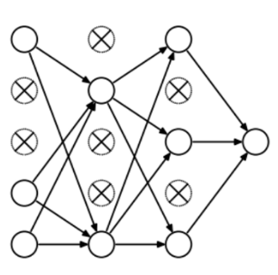
OOPing and building classes | (OOP) is a method of structuring a program by bundling related properties and behaviors into individual objects. a class is a blueprint for creating objects---- class(car) def engine def wheels def gas,building classes and using oop allows for easier to fix understand and write code among peers and yourself.
Neural Networks: why and when to use each type | 1.perceptron model is also known as a single-layer neural network--no hidden layers--Classification 2.A feed-forward neural network is an artificial neural network in which the nodes do not ever form a cycle There are no back-loops---Pattern Recognition 3.Recurrent neural networks-----are a variation to feed-forward----We use this type of neural network where we need to access previous information in current iterations----For example, when we are trying to predict the next word in a sentence, we need to know the previously used words first---- Long / Short Term Memory (LSTM): They can process data with memory gaps---RNNs cannot remember data from a long time ago, in contrast to LSTMs.--- Speech Recognition. |  | 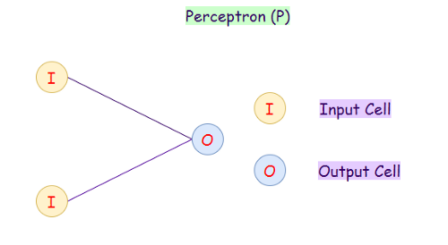 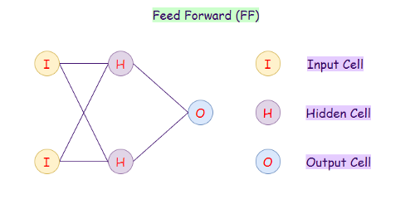 | 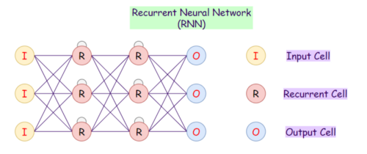 | 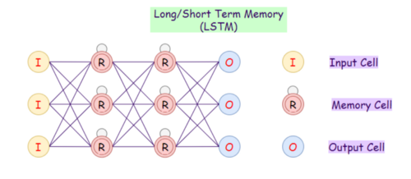
Web app stuff - unit 3 | front-end of a web application is - specifically, it’s that HTML/CSS and JavaScript returned in response to user requests The back-end is the direct server receiving requests and handling the routing/business logic to determine and send the appropriate response. The database is a generally separate server where data is actually persisted - saved in a durable fashion, for later retrieval by the web application. Why separate the back-end and the database? A useful model is to have a back-end server application that is stateless (or close to it) - that is, it doesn’t persist or save or depend on persisting or saving things. It just has the appropriate logic to respond as desired in a given situation - and as such, it’s much easier to scale, spin up or down extra instances, and so forth. |  | API stands for Application Programming Interface, and it is essentially a specification for how components of an application can communicate and share/cooperate twitter api to access certain tweets or filter as we liked
mongodb | Classified as a NoSQL database program... great for transactional stores where performance is a concern. Its also great when the data structure is going to evolve over time, as its schema-less operations allow you to update the data on the fly
Docker | is a set of platform as a service products that use OS-level virtualization to deliver software in packages called containers
NOSQl | NoSQL database is non-relational or distributed, NoSQL databases are document-based, graph databases, wide-column stores, or key-value pairs... In NoSQL DB, focus for queries is on document collection. NoSQL DBs have dynamic schema |  | .
A.C.I.D | SQL gives us ACID (Atomicity Consistency Isolation Durability) guarantees and powerful analytical queries, and NoSQL gives us huge scale and usually “good enough” guarantees.
 |  |  | PYTHON METHODS
swapcase() | The string swapcase() method converts all uppercase characters to lowercase and vice versa of the given string, and returns it. | 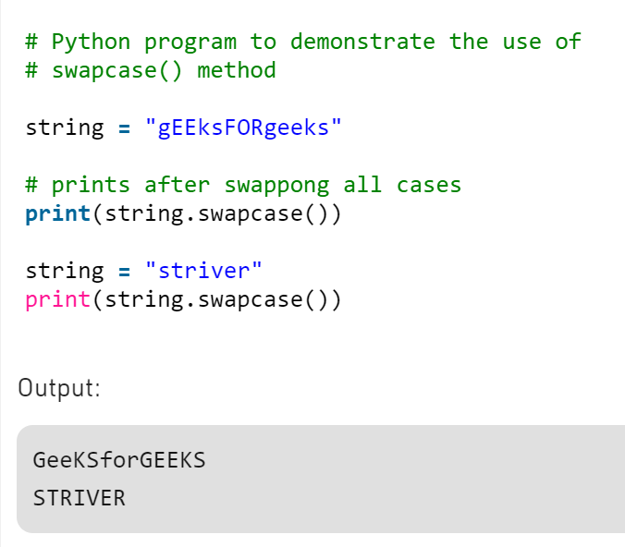
endswith() | The endswith() method returns True if a string ends with the specified suffix. If not, it returns False. | 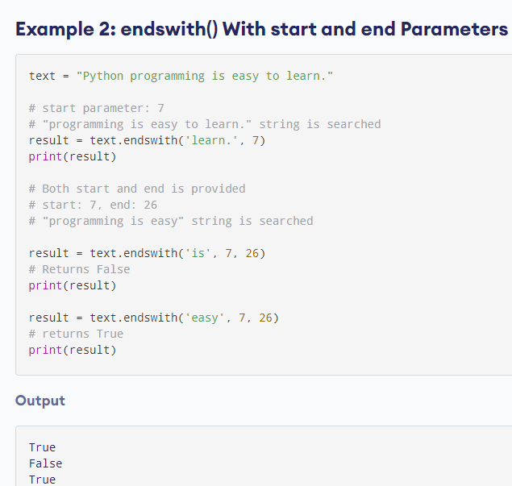
Union() | Union of two given sets is the smallest set which contains all the elements of both the sets. Union of two given sets A and B is a set which consists of all the elements of A and all the elements of B such that no element is repeated. |  | 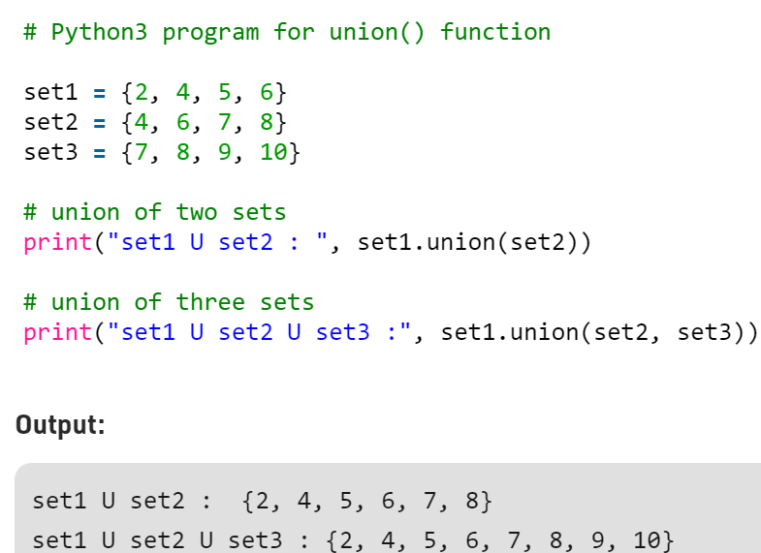
List Comprehension | newlist = [expression for item in iterable if condition == True] |  | 
bin() | The bin() method converts and returns the binary equivalent string of a given integer. If the parameter isn't an integer, it has to implement __index__() method to return an integer. | 

